BRD- Clinicals System
e-Care Clinical Systems Business Requirement Document (BRD):

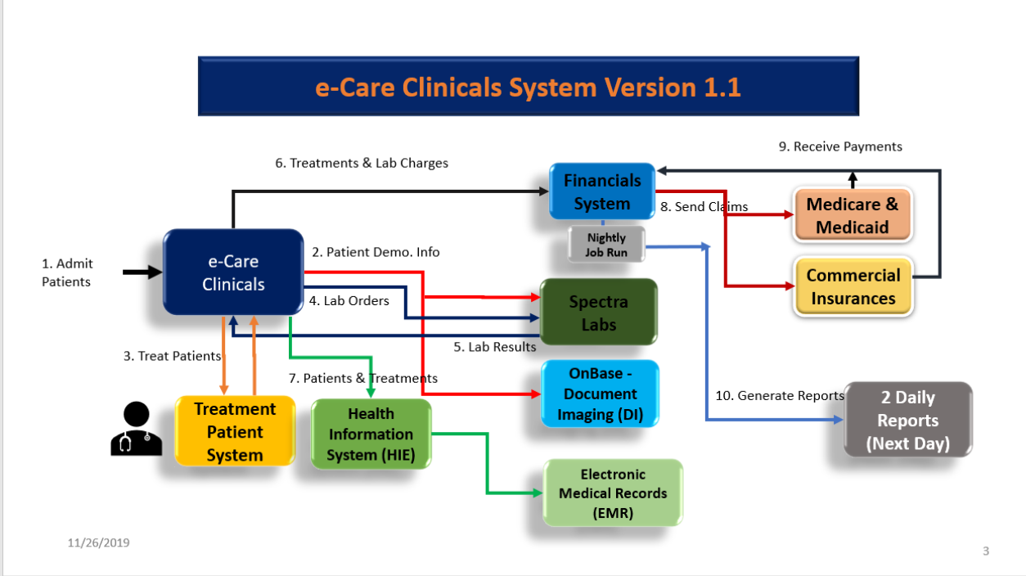
Summary | A new e-Care clinicals system is replacing the legacy Pro-Care application. In the e-Care clinicals system patients will get admitted and treated based on their Financial and Clinical Statuses and their types of insurances, Medicare/Medicaid or Commercial Insurance. All of their lab tests will be sent to the Spectra Labs and the results will come back to e-Care to ensure that they recieve the best care. The e-Care Clinicals system will send all treatment and lab charges to the Financials system and the Financials System will create claims with the insurance companies and gets paid accordingly. The Finaicals Systems also prodces two reports for the nurses daily.

Requirements | The following are the business targets that are to be achieved:
1 | Patient admission
 | New and Existing (re-admitting) patients are admitted into the new e-Care application (Clinical System).
 | The patients are either "Financially Cleared" or "Not Financially Cleared". If they are Financially Cleared they get admitted and if they are not they will be rejected (Financial Clearance = Yes or No).
 | Once the patients are admitted their personal information get transmitted to the downstream systems, OnBase (DI) and Spectra Labs.
 | For all New patients, new Admission folders will be created in OnBase (DI), and for the Existing patients the existing folders get updated.
 | All patients have either Medicare/Medicaid or a Commercial Insurance (e.g Blue Cross, United, etc.)

2 | Treatments
 | For all patients that are admitted, they are either "Clinically cleared" or "Not Clinically Cleared". If they are "Clinically Cleared" they will be treated and if "Not Clinicaly Cleared" they will not be treated (Clinical Clearance = Yes or No).
 | For the patient treatments the nurses can administer two drugs. A lower cost drug for Medicare/Medicaid called "HepRan" and another drug for a Commercial Insurance called "Xer-Ran".
 | For the patients that get treated all of their demographics information and their Treatments are transferred to an external EMR system via an HIE (Health Information Exchange) engine. (EMR = Electronic Medical Record).
 | After the patients are treated their Lab Orders are sent to the Spectra Labs and the Lab Results will be sent back to the Clinicals System for both types of Insurances: Medicare/Medicaid and the Commercial Insurance.
 | For all patients that get treated, their Treatment and Lab Charges will be trasmitted to the Financials System.

3 | Financial Billing
 | For each Treatment and each Lab Order charge, the Financials system opens Claims with both Medicare/Medicade and the Commercial Insurances and goes through the prcessing of getting paid for the services accordingly.

4 | Reporting
 | In the Financials System produces 2 Daily Reports: The Patients Report and the Treatments Report.

